Leeside form
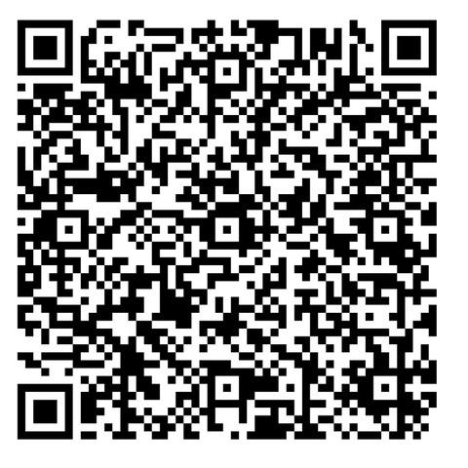
Leeside Open 2017
Tournament Date |  |  | 9th and 10th December 2017 |  |  |  |  |  | Entries to |  |  | Ben Haughton
Venue |  |  | Leeside Table Tennis Club |  |  |  |  |  |  |  |  | The Lodge
 |  |  | James Kenneally Sports Centre |  |  |  |  |  |  |  |  | Rocklodge
 |  |  | Holly Hill Lane |  |  |  |  |  |  |  |  | Carrigrohane, Co. Cork
 |  |  | Co. Cork |  |  |  |  |  | e-mail |  |  | haughtonben@yahoo.com
Closing Date |  |  | Thursday 7th December 2017 at 17:00 |  |  |  |  |  | Facilities at venue |  |  | Parking available
 |  |  |  |  |  |  |  |  |  |  |  | Catering facilities available teas coffees etc.
 | Entry Details
 | Club:
 | Entered by: |  |  |  |  |  | This QR code allows you to use their phone |  | Hon. Referee(s) |  |  | Tom Mitchell (Table Tennis Ireland)
 | Phone No.: |  |  |  |  |  | to find LEESIDE with the camera app on your phone and it works.
 | e-mail: |  |  |  |  |  | Links to Google Map I use QR Code reader extreme |  |  | "X" events being entered
 |  |  |  |  |  |  | Thanks to Tony Higgins for this |  |  | Junior |  |  |  |  | Senior
 |  | Name |  |  |  |  | Date of Birth (Juniors) | Male/ Female |  | U-11 | U-13 | U-15 | U-18 | U-21 | Band 1 | Band 2 | Int Dis | Vets | € Due
 | 1
 | 2
 | 3
 | 4
 | 5
 | 6
 | 7
 | 8
 | 9
 | 10
 |  |  |  |  |  |  |  |  |  |  |  |  |  |  |  | Total |  |  | €0
Timetable |  | Day |  | Check-In |  | Eligibility (Date of Birth) |  |  |  |  |  |  |  |  | Entry Fees
Boys U-18 |  | Sunday |  | 9:30:00 |  | Born on/after 1/1/2000 |  |  |  |  |  |  |  |  | 1 Event |  | 2 Events |  | 3 Events
Girls U-18 |  | Sunday |  | 9:30:00 |  | Born on/after 1/1/2000 |  |  |  |  |  | U-11 |  |  | €9 |  | €15 |  | X
U-21 (Mixed) |  | Sunday |  | 10L00 |  | Born on/after 1/1/1996 (Players may NOT enter U-18 and U-21) |  |  |  |  |  | U-13 |  |  | €9 |  | €15 |  | X
Veterans |  | Sunday |  | 10:00:00 |  | Born on/before 31/12/1976 |  |  |  |  |  | U-15 |  |  | €9 |  | €15 |  | €22
Int Disabilty |  | Sunday |  |  | 11:00:00 | For Details of this event Please contact Philip Shaw on 085-1441964 |  |  |  |  |  | U-18 |  |  | €9 |  | €15 |  | X
Mixed Banded Senior |  | Sunday |  | 12:30:00 |  | Mixed Banded Singles (2 Bands). Players may enter ONE band of their choice. U-15 players are eligible only for Band 1 (highest band) |  |  |  |  |  | Senior/U-21 |  |  | €11 |  | €17 |  | X
 |  | No separate Ladies event
Boys U-13 |  | Saturday |  | 13:30:00 |  | Born on/after 1/1/2005 |  |  |  |  |  | Includes €1 headage per player to Munster Branch
Girls U-13 |  | Saturday |  | 14:00:00 |  | Born on/after 1/1/2005
Boys U-15 |  | Saturday |  | 9:00:00 |  | Born on/after 1/1/2003 |  |  |  |  |  | Payment info: (see rule 16 below) |  | Cheques payable to "Leeside Table Tennis Club" and crossed. DO NOT send cash in the post. Full payment can be made on the day for all players entered.
Girls U-15 |  | Saturday |  | 9:30:00 |  | Born on/after 1/1/2003
Girls U-11 |  | Saturday |  | 10:00:00 |  | Born on/after 1/1/2007
Boys U-11 |  | Saturday |  | 9:30:00 |  | Born on/after 1/1/2007
Rules: Please read carefully
1. All matches will be played according to the Rules and Regulations of the Table Tennis Ireland
2. All competitors must be affiliated to the Table Tennis Ireland
3. Players will be scratched if not present and ready to play when called.
4. The draw will be seeded in all events. The format of each event will depend on the number of entries at the discretion of the organisers.
5. Matches will be Best-Of-5 sets, except Under-11 and Plate matches which will be Best-Of-3.
6. The decision of the Honorary Referee will be final in all cases of dispute.
7. Players should be aware that random Drug Testing may take place and to make themselves available upon request.
8. Entries will only be accepted on official entry form. Dates of Birth must be supplied for all players.
9. Late entries will not be accepted.
10. If in exceptional circumstances a late entry is accepted, the player in question may not be drawn according to the prevailing ranking list.
11. Coaching. Coaching is NOT permitted for U-11’s. No time-outs in U-11 matches. U-13's must have a named coach.
In all other matches please adhere to I.T.T.F. regulation 3.05.01.02: In an individual event, a player or pair may receive advice only from one person.
12. Photography: In line with the recommendations in the Munster Branch Code of Conduct, the promoters of this event require that any person wishing to engage in any video, zoom or close range photography should register their details with the organisers.
Children should only be photographed or filmed with their permission and/or the permission of their parent/guardian.
13. Attire: Rubber-soled shoes must be worn. Tops/shorts must not be white in colour.
14. Players must umpire when called to do so.
15. Players who enter multiple events may be called to play without rest.
16. Entries accepted by email from domestic clubs, or without payment, represent a binding commitment to pay the entry fee, irrespective of whether or not you subsequently play in the tournament
17. Any Under 13 player who enters the Senior event should ony do after a consultation between their coach and parents to decide if it is suitable.

